Sheet1
Data Design in Appian
Q.NO | Question | Answer
 | Which of the following are benefits of comprehensive data design? Select three. A) Communication with stakeholders B)Consistent understanding among developers C)Verification of data in an app D)Estimation of time to complete the app | a,b,c
 | In Appian, you can configure which user groups can see which rows of data. True or False? A)True B)False | a
 | You have source data for the date an order was shipped, the date it was received, and the employee who placed the order. What could you use a custom record field to find? A)The employee's department B)The order details C)The date the order was placed D)The number of days the order was in transit | d
 | Based on the requirements description, data related to which entity will be created via the application? A)Employee B)Onboarding session C)Session leader D)Onboarding team | b
 | Which steps can the developer take to continue work on the data model? Select two. A)Create the application object B)Identify the data types C)Relate the entities D)Identify the data sources | b,d
 | Which of the following are entities in the data model? Select three. A)Clinical study B)Researcher C)Employee D)Department | a,c,d
 | Which of the following are data fields in the data model? Select two. A)Department ID B)Department information C)Study category D)Start date | a,d
 | 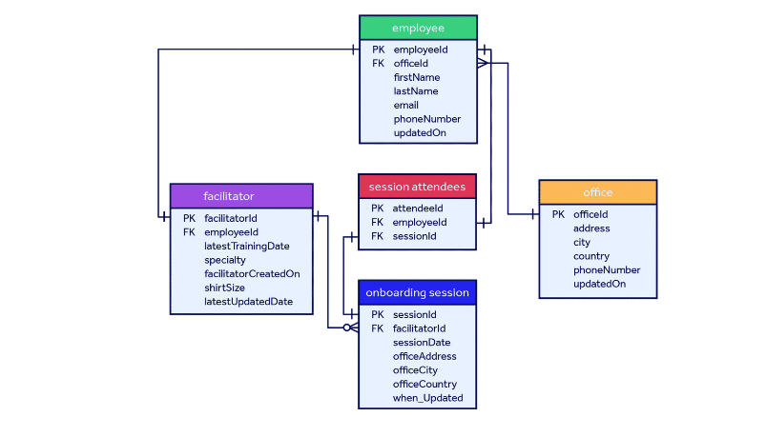 Which data does not follow a consistent naming convention? A)The last updated date B)The office ID C)Phone number D)Employee first name and last name | a
 | Which of the following is an issue with the data in the onboarding session entity? A)It does not use a naming convention for the ID numbers B)The office location data is duplicated in the onboarding session entity C)The concept is "over-normalized" and is related to too many lookup entities D)The updated on data duplicates data in the onboarding team entity | b
 | Which data should you look into more to determine if it is all necessary? A)In employee: firstName, lastName, and email B)In employee: employeeId and officeId C)In onboarding session: facilitatorId and sessionDate D)In facilitator: specialty, facilitatorCreatedOn, shirtSize, latestUpdatedDate | d
 | Based on the company's data retention policy, when should you archive and/or delete the data? A)Archive the data after 3 years and never delete it B)Archive the data after 3 years and delete it after another 5 years C)Delete the data after 3 years D)Archive the data after 5 years | b
 | Which steps should the team take to estimate the data volume? Select three. A)Get the sales data from the past year B)Determine how the roll out plan will impact the number of records C)Add a buffer of five percent to the number of records D)Document the number of expected records, and assign a confidence level | a,b,d
 | Which of the following is a method you should use to split up the large dataset? A)Use security to prevent users from seeing all of the data B)Create separate applications C)Create different sites for users to access the data D)Create multiple record types and use source filters to specify what data is available in each | d
 | Because the volume of data is high, your team wants to segment the sales data into multiple entities. What would be a logical way to split it up based on this scenario? A)By sale B)By salesperson C)By product D)By region | d
 | Which field would you configure as a custom record field? A)Total price of the sale B)The name of a store C)A store's region D)Date and time of a sale | a
 | The existing product entity contains fields for productId, productName, and unitPrice. How should you style the new field for the store name? A)STORE_NAME B)NameOfStore C)storeName D)store.name | c

